Fuhrman data
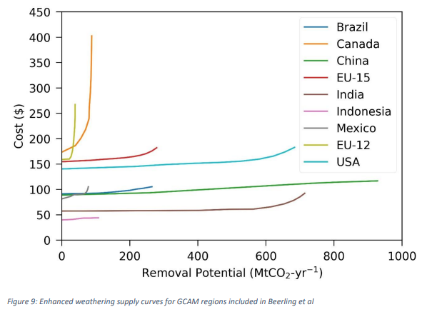
EU representative cost per ton | 200
2020 cost adder (declines to 0 by 2050 in Fuhrman et al), Supplementary Table 3 | 138
Total potential | 670
Best estimate, electrical energy inputs (GJ/tCO2), Supplemental Table 4 | 0.66

